Unstructured Parts List
Item | Part Number | Thumbnail | QTY
1 | Wood Panel 763x446mm | 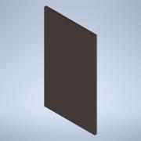 | 1
2 | Y Movement Motor/Bearing Holder Plastic Body | 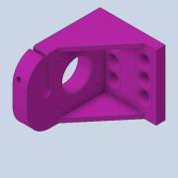 | 4
3 | Wood Screw | 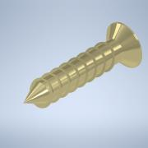 | 62
4 | Nema17 Stepper Motor | 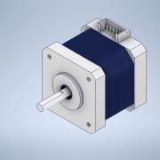 | 5
5 | M3x10mm Screw | 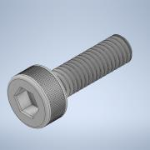 | 17
6 | 5mm to 8mm Fixed/Rigid Coupler | 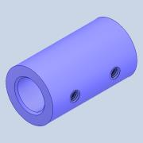 | 5
7 | Grub Screw | 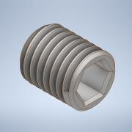 | 20
8 | 608-2Z Bearing | 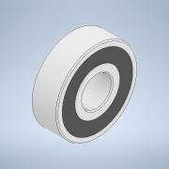 | 4
9 | 8mm Diameter Rod 600mm | 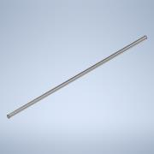 | 4
10 | X Movement Motor/Bearing Holder Plastic Body | 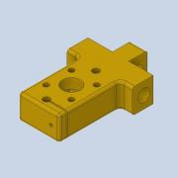 | 2
11 | LM8UU Bearing | 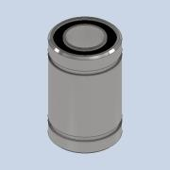 | 12
12 | T8 Nut for Threaded Rod | 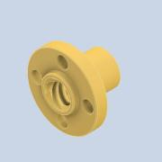 | 5
13 | 8mm Diameter Threaded Rod 400mm |  | 3
14 | Syringe Holder Plastic Body | 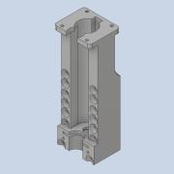 | 1
15 | Syringe Plunger Holder | 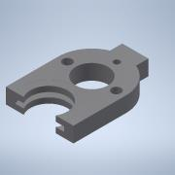 | 1
16 | Syringe Press | 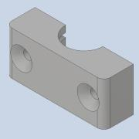 | 1
17 | Holder Z Movement Spacer | 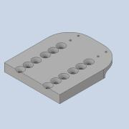 | 1
18 | 8mm Diameter Threaded Rod 90mm | 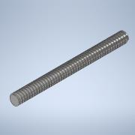 | 1
19 | M3x25mm Threaded Rod | 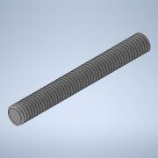 | 2
20 | M3 Knurled Nut | 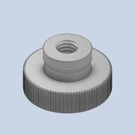 | 3
21 | Holder Z Movement Plastic Body |  | 1
22 | Extruder Carrier Plastic Body | 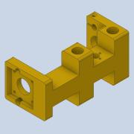 | 1
23 | Stepper Motor Spacer | 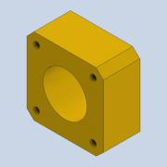 | 1
24 | Plastic Rod Screw Holder | 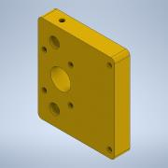 | 1
25 | Extruder Carrier Plastic Protective Cover | 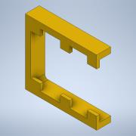 | 1
26 | 8mm Diameter Rod 155mm | 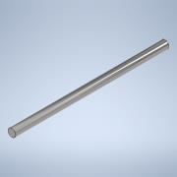 | 2
27 | 8mm Diameter Threaded Rod 150mm | 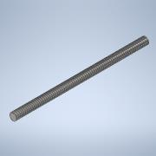 | 1
28 | Long Wood Screw | 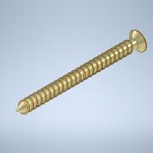 | 4
29 | M3x35mm Threaded Rod | 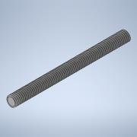 | 4
30 | M3 Nylon Lock Nut | 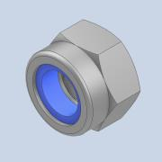 | 6
31 | M4x10mm Grub Screw | 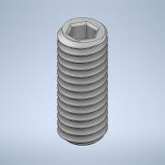 | 4
32 | M3 Washer | 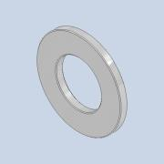 | 18
33 | Z Movement Limit Switch Screw Plastic Body | 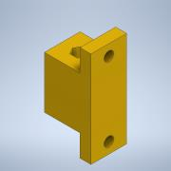 | 1
34 | M3x15mm Internal Thread Spacer | 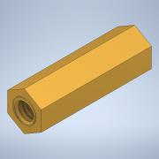 | 1
35 | M3x35mm Internal Thread Spacer | 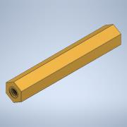 | 1
36 | M3 Nut | 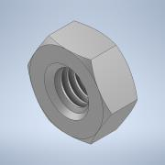 | 29
37 | M3x100mm Threaded Rod | 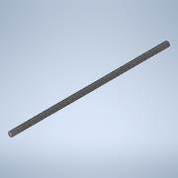 | 1
38 | M3x12mm Screw | 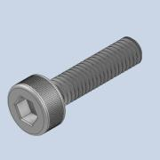 | 4
39 | Arduino MEGA 2560 and RAMPS Shield | 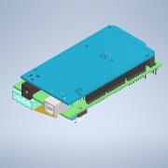 | 1
40 | Arduino Case Body | 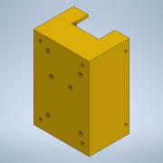 | 1
41 | M3x10mm Internal Thread Plastic Spacer |  | 6
42 | Arduino Case Cover | 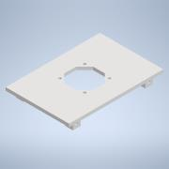 | 1
43 | 40x40x10mm 12V Fan | 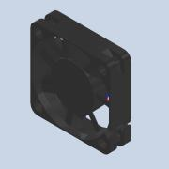 | 1
44 | Fan Grill for 40mm Fan | 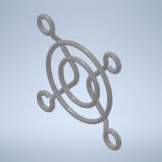 | 1
45 | M3x16mm Screw | 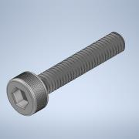 | 4
46 | M3 Washer | 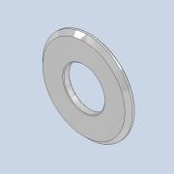 | 12
47 | M3x20mm Screw | 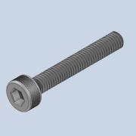 | 8
48 | M3 Spring Washer | 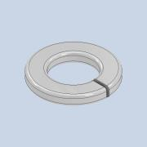 | 8
49 | M3x6mm Countersunk Screw | 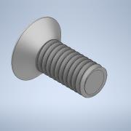 | 6
50 | M3x6mm Plastic Screw | 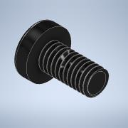 | 6
51 | Power Supply S-360-12 | 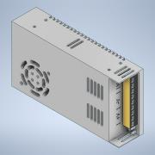 | 1
52 | Connector Case Body | 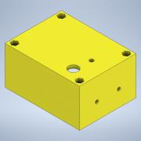 | 1
53 | Connector Case Cover |  | 1
54 | Power Connector with integrated Switch |  | 1
55 | M3x10mm Countersunk Screw | 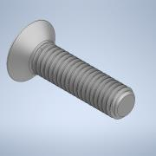 | 2
56 | 25x25mm Metal Angle Bracket |  | 1
57 | M3x25mm Screw |  | 2
58 | M4 Washer |  | 36
59 | M4 Spring Washer |  | 6
60 | M4 Nut |  | 6
61 | M4x12mm Screw |  | 1
62 | M4x25mm Screw |  | 5
63 | M4x20mm Screw |  | 4
64 | Heated Bed Driver |  | 1
65 | M4x30mm Screw |  | 4
66 | M4 Nylon Lock Nut |  | 12
67 | Heating Element Board |  | 1
68 | Heated Bed Aluminum Plate |  | 1
69 | Temperature Sensor |  | 1
70 | Temperature Sensor Bracket/Press |  | 1
71 | M3 Isolator/Plastic Washer |  | 17
72 | M3x8mm Screw |  | 7
73 | M3x6mm Screw |  | 4
74 | Spring |  | 4
75 | M4x40mm Screw |  | 4
76 | M4 Wing Nut |  | 4
77 | Needle Parking Plastic Body |  | 1
78 | Bottle Cap |  | 1
79 | Adhesive Rubber Pad |  | 6
80 | X Limit Switch Plastic Body |  | 1
81 | MakerBot Limit Switch Board |  | 3
82 | Y Limit Switch Plastic Body |  | 1
83 | M3x30mm Screw |  | 3
84 | Z Limit Switch Plastic Body |  | 1
85 | Cable Duct 18x430mm |  | 1
86 | Cable Duct 18x195mm |  | 1
87 | Cable Duct 18x394mm |  | 1
88 | Cable Duct 18x205mm |  | 1
89 | Cable duct 18x159mm |  | 1
90 | Cable duct 18x180mm |  | 1
91 | DRV8825 Stepper Motor Driver |  | 5

Structured Parts List
Item | Part Number | Thumbnail | QTY
1 | Wood Panel 763x446mm |  | 1
2 | Y Movement Motor Assembly |  | 2
2.1 | Y Movement Motor/Bearing Holder Plastic Body |  | 1
2.2 | Wood Screw |  | 7
2.3 | Nema17 Stepper Motor |  | 1
2.4 | M3x10mm Screw |  | 4
2.5 | 5mm to 8mm Fixed/Rigid Coupler |  | 1
2.6 | Grub Screw |  | 4
3 | Y Movement Bearing Assembly |  | 2
3.1 | Y Movement Motor/Bearing Holder Plastic Body |  | 1
3.2 | 608-2Z Bearing |  | 1
3.3 | Wood Screw |  | 7
4 | 8mm Diameter Rod 600mm |  | 4
5 | X Movement Bearing Assembly |  | 1
5.1 | 608-2Z Bearing |  | 1
5.2 | X Movement Motor/Bearing Holder Plastic Body |  | 1
5.3 | LM8UU Bearing |  | 2
5.4 | T8 Nut for Threaded Rod |  | 1
5.5 | Wood Screw |  | 5
6 | X Movement Motor Assembly |  | 1
6.1 | X Movement Motor/Bearing Holder Plastic Body |  | 1
6.2 | LM8UU bearing |  | 2
6.3 | T8 Nut for Threaded Rod |  | 1
6.4 | Wood Screw |  | 5
6.5 | Nema17 Stepper Motor |  | 1
6.6 | M3x10mm Screw |  | 4
6.7 | 5mm to 8mm Fixed/Rigid Coupler |  | 1
6.8 | Grub Screw |  | 4
7 | 8mm Diameter Threaded Rod 400mm |  | 3
8 | Extruder Assembly |  | 1
8.1 | Syringe Holder Plastic Body |  | 1
8.2 | Syringe Plunger Holder |  | 1
8.3 | Syringe Press |  | 1
8.4 | Holder Z Movement Spacer |  | 1
8.5 | Nema17 Stepper Motor |  | 2
8.6 | T8 Nut for Threaded Rod |  | 3
8.7 | 5mm to 8mm Fixed/Rigid Coupler |  | 2
8.8 | Grub Screw |  | 8
8.9 | 8mm Diameter Threaded Rod 90mm |  | 1
8.10 | M3x10mm Screw |  | 5
8.11 | M3x25mm Threaded Rod |  | 2
8.12 | M3 Knurled Nut |  | 3
8.13 | Holder Z Movement Plastic Body |  | 1
8.14 | LM8UU Bearing |  | 8
8.15 | Wood Screw |  | 10
8.16 | Extruder Carrier Plastic Body |  | 1
8.17 | 608-2Z Bearing |  | 1
8.18 | Stepper Motor Spacer |  | 1
8.19 | Plastic Rod Screw Holder |  | 1
8.20 | Extruder Carrier Plastic Protective Cover |  | 1
8.21 | 8mm Diameter Rod 155mm |  | 2
8.22 | 8mm Diameter Threaded Rod 150mm |  | 1
8.23 | Long Wood Screw |  | 4
8.24 | M3x35mm Threaded Rpd |  | 4
8.25 | M3 Nylon Lock Nut |  | 6
8.26 | M4x10mm Grub Screw |  | 4
8.27 | M3 Washer |  | 5
8.28 | Wood Screw |  | 10
8.29 | Z Movement Limit Switch Screw Plastic Body |  | 1
8.30 | M3x15mm Internal Thread Spacer |  | 1
8.31 | M3x35mm Internal Thread Spacer |  | 1
8.32 | M3 Nut |  | 2
8.33 | M3x100mm Threaded Rod |  | 1
8.34 | M3x12mm Screw |  | 2
9 | Arduino Case Assembly |  | 1
9.1 | Arduino MEGA 2560 and RAMPS Shield |  | 1
9.2 | Arduino Case Body |  | 1
9.3 | M3x10mm Internal Thread Plastic Spacer |  | 6
9.4 | Arduino Case Cover |  | 1
9.5 | 40x40x10mm 12V Fan |  | 1
9.6 | Fan Grill for 40mm Fan |  | 1
9.7 | M3 Nut |  | 8
9.8 | M3x16mm Screw |  | 4
9.9 | M3 Washer |  | 12
9.10 | M3x20mm Screw |  | 4
9.11 | M3 Spring Washer |  | 4
9.12 | M3x6mm Countersunk Screw |  | 6
9.13 | M3x6mm Plastic Screw |  | 6
10 | Power Supply S-360-12 |  | 1
11 | Power Connector and Switch Assembly |  | 1
11.1 | Connector Case |  | 1
11.2 | Connector Case Cover |  | 1
11.3 | Power Connector with integrated Switch |  | 1
11.4 | M3x10mm Countersunk Screw |  | 2
11.5 | M3 Nut |  | 6
11.6 | M3 Washer |  | 6
11.7 | M3 Spring Washer |  | 2
11.8 | M3x20mm Screw |  | 4
12 | 25x25mm Metal Angle Bracket |  | 1
13 | M3x25mm Screw |  | 2
14 | M3 Washer |  | 4
15 | M3 Spring Washer |  | 2
16 | M3 Nut |  | 2
17 | M4 Washer |  | 36
18 | M4 Spring Washer |  | 6
19 | M4 Nut |  | 6
20 | M4x12mm Screw |  | 1
21 | M4x25mm Screw |  | 5
22 | M4x20mm Screw |  | 4
23 | Heated Bed Driver |  | 1
24 | M4x30mm Screw |  | 4
25 | M4 Nylon Lock Nut |  | 12
26 | Heated Bed Assembly |  | 1
26.1 | Heating Element Board |  | 1
26.2 | Heated Bed Aluminum Plate |  | 1
26.3 | Temperature Sensor |  | 1
26.4 | Temperature Sensor Bracket/Press |  | 1
26.5 | M3 Isolator/Plastic Washer |  | 1
26.6 | M3x8mm Screw |  | 1
26.7 | M3x6mm Screw |  | 4
27 | Spring |  | 4
28 | M4x40mm Screw |  | 4
29 | M4 Wing Nut |  | 4
30 | Needle Parking Assembly |  | 1
30.1 | Needle Parking Plastic Body |  | 1
30.2 | Bottle Cap |  | 1
30.3 | Wood Screw |  | 4
31 | Adhesive Rubber Pad |  | 6
32 | X Movement Limit Switch Assembly |  | 1
32.1 | X Limit Switch Plastic Body |  | 1
32.2 | M3 Nut |  | 4
32.3 | M3x12mm Screw |  | 2
32.4 | MakerBot Limit Switch Board |  | 1
32.5 | M3 Isolator/Plastic Washer |  | 6
32.6 | M3x8mm Screw |  | 2
33 | Y Movement Limit Switch Assembly |  | 1
33.1 | Y Limit Switch Plastic Body |  | 1
33.2 | M3 Nut |  | 3
33.3 | M3x30mm Screw |  | 1
33.4 | M3 Washer |  | 1
33.5 | M3 Plastic/Isolator Washer |  | 6
33.6 | MakerBot Limit Switch Board |  | 1
33.7 | M3x8mm Screw |  | 2
34 | Z Movement Limit Switch Assembly |  | 1
34.1 | Z Limit Switch Plastic Body |  | 1
34.2 | M3 Nut |  | 4
34.3 | M3x30mm Screw |  | 2
34.4 | M3 Washer |  | 2
34.5 | M3 Plastic/Isolator Washer |  | 4
34.6 | MakerBot Limit Switch Board |  | 1
34.7 | M3x8mm Screw |  | 2
35 | Cable Duct 18x430mm |  | 1
36 | Cable Duct 18x195mm |  | 1
37 | Cable Duct 18x394mm |  | 1
38 | Cable Duct 18x205mm |  | 1
39 | Cable duct 18x159mm |  | 1
40 | Cable duct 18x180mm |  | 1

